PetroFix Flush Calculator
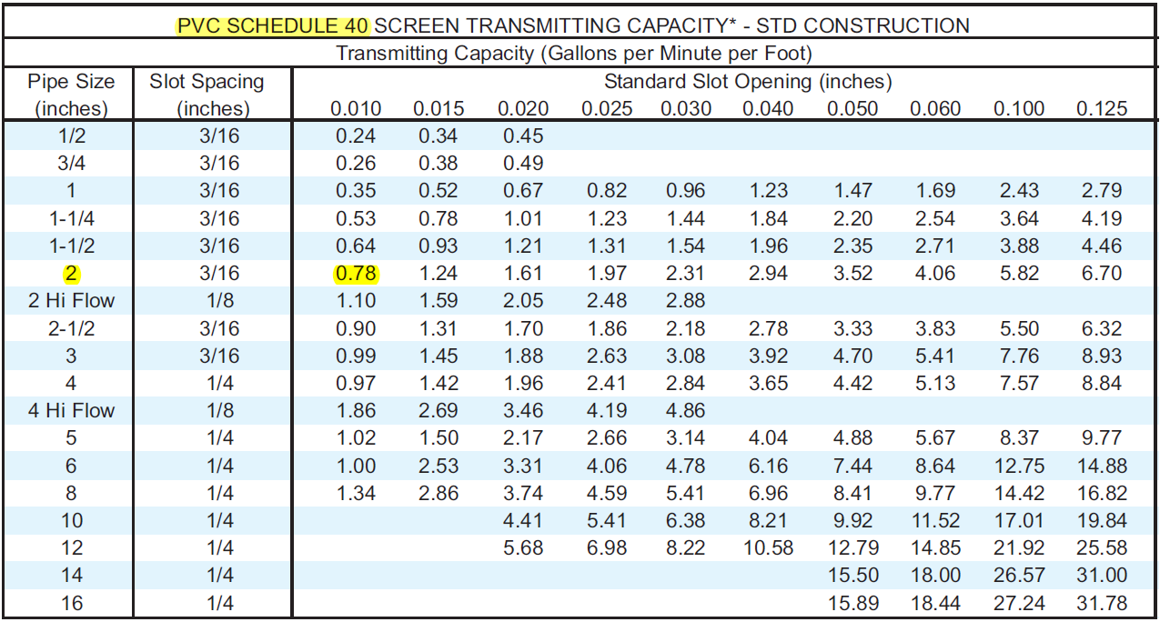
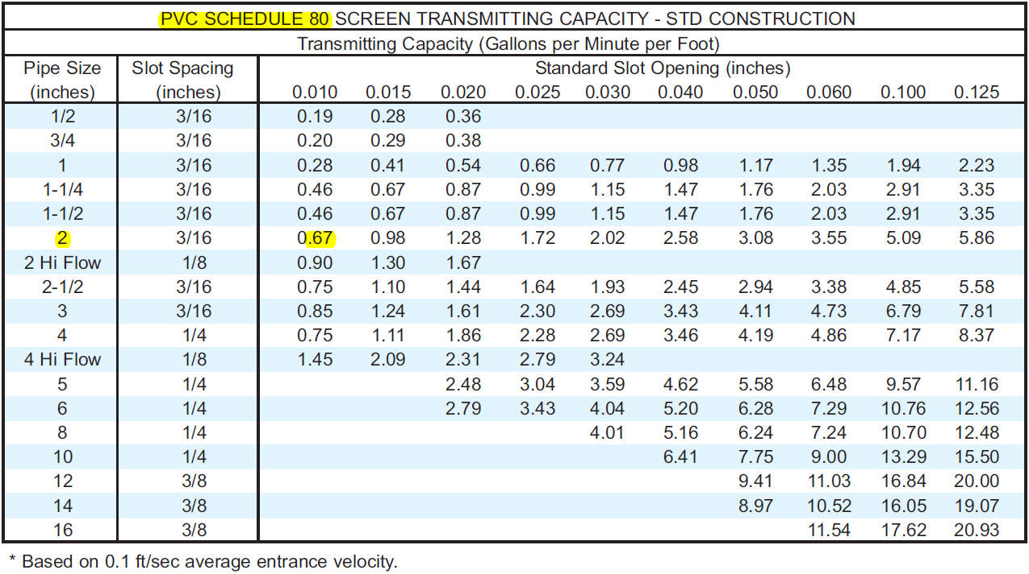
CLEAN WATER FLUSH CALCULATOR

 |  |  |  |  |  |  |  |  | CLEAN WATER FLUSH CALCULATOR
Enter Site Name: | Site Name? |  |  |  |  |  | Print range set to print tables to the right to a printer or a pdf file (*.pdf printing only possible if you have Adobe PDF software installed) | ----> | Clean Water Flush at |  | Monitoring Well ? |  | Site Name?
Enter Monitoring Well Name: | Monitoring Well ? |  |  |  |  |  |  |  | 7.3 | gallons within a | 6 | inch diameter open bore hole over | 5 | feet
 |  |  |  |  |  |  |  |  | 0.8 | gallons within a | 2 | inch diameter well screen over | 5 | feet
 |  |  |  |  |  |  |  | ----> | 6.5 | gallons of space outside of well screen within the bore hole, if empty.
INSTRUCTIONS: | Only enter highlighted values below |  |  |  |  |  |  |  | 0.8 | gallons of water in riser pipe
 | Output shown in tables to the right. PVC screen transmitting tables farther below. |  |  |  |  |  |  |  | 2.3 | gallons to fill sand pack
 |  |  |  |  |  |  |  | ----> | 35% | porosity of sand pack (standard value is 35%)
 |  |  |  |  |  |  |  |  | 3.1 | volume in gallons of MW below bentonite seal beginning at |  |  | 5 | feet bgs
Well Screen I.D. | 2 | inches
MW Riser Pipe I.D. | 2 | inches |  |  |  |  |  | ----> | 10 | = safety multiplier for clean water flush volume
Bore Hole I.D. | 6 | inches
Sand Pack Length | 5 | feet |  |  |  |  |  |  | 33 | gallons of clean water per flushing event for this well, or similary constructed wells.
Screen Length | 5 | feet |  |  |  |  |  | ---->
Riser Length | 5 | feet |  |  |  |  |  |  | SPECIAL NOTES
Total Depth of MW | 10 | feet bgs |  |  |  |  |  |  | 3.9 | gpm is the transmitting capacity for water flowing through the screen interval of the well. The transmitting capacity is based on no restrictions outside of screen. So for the initial
Screen Slot Size | 0.01 | inches of opening |  |  |  |  |  | ----> | 6.2 | gallons of clean water flush in similarly constructed MWs, pump at a rate of
Transmitting Capacity* | 0.78 | gal/minute/foot of screen |  |  |  |  |  |  | 3.1 | gpm to fill the MW system. This will facilitate clean water flushing across the entire screen interval. Monitor pressure of the clean water injection. As pressure begins to rise, reduce flow rate to avoid over-pressurizing the MW and comprimising the bentonite seal. However, maintain low pressures to ensure clean water is above top of MW screen interval.
Estimated porosity of sand pack | 35% | (standard)
Volumes of water needed to flush MW + Sand Pack | 10 | (multiplier) |  |  |  |  |  | ---->
Assumptions: Bentonite plug above sand pack begins 1 foot above top of screen interval
*See PVC screen transmitting tables down below

DO NOT ADJUST VALUES IN THIS TABLE |  |  | π = | 3.14159
 |  |  |  | Volume Calculations
 | I.D. (ft) | r2 | Area (ft2) | ft3 | gal. | liters
Bore Hole sand pack | 0.50 | 0.0625 | 0.196 | 0.981746875 | 7.3 | 27.80
MW screen interval | 0.17 | 0.0069 | 0.022 | 0.10908298611 | 0.8 | 3.09
Riser Pipe | 0.17 | 0.0069 | 0.022 | 0.10908298611 | 0.8 | 3.09

